Example 1
Understand your Local 2010 Pay Stub - Example: 2017 grid, grade 5, step 10 |  |  |  | fill in yellow boxes, tab for next |  | pink boxes: calculated
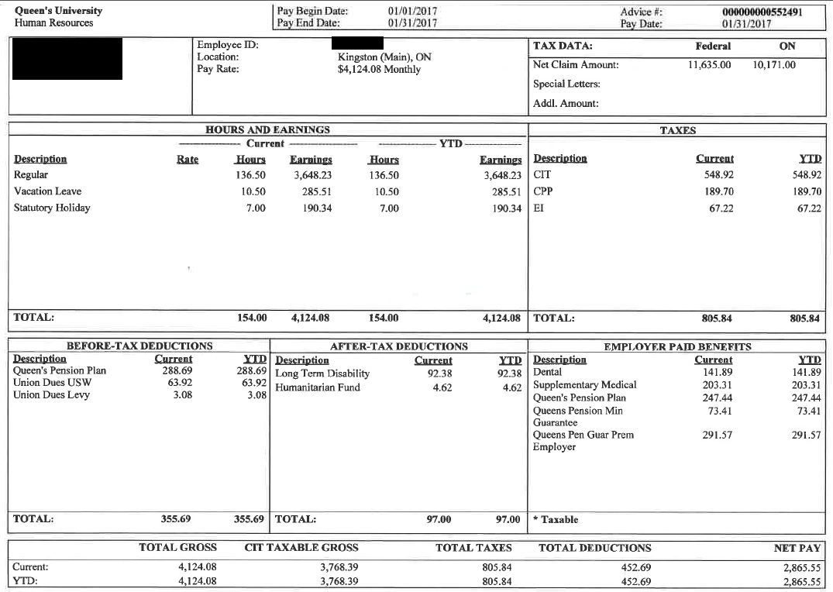
 |  |  |  | link to pay grid: | 1. Enter annual pay from pay grid, % working
 |  |  |  | 2017 | $49,489 | 100%

 |  |  |  | 2. Verify your monthly pay rate from calc. below
 |  |  |  | $4,124.08 | Gross monthly pay rate

 |  |  |  | 3. Enter amt pd for CIT (Canadian Income Tax), CPP, and EI
 |  |  |  | 4. Verify contribution rates and maximas
 |  |  |  | CIT (Cdn Income Tax) | $548.92 | 13.31% | effective annual rate of taxation
 |  |  |  | CPP (Canada Pension) | $189.70 | 4.60% | for 2017: 4.95% to max. of $2564.10
 |  |  |  | EI (Employment Insce) | $67.22 | 1.63% | 1.88% | to max of $955.04

 |  |  |  | 5. Enter Your Before-Tax deductions and verify %'s
 |  |  |  | QPP portion <= YMPE | $288.69 | 7.00% | 7% up to YMPE: (55,300 * .07)/12 = $322.58
 |  |  |  | QPP portion > YMPE | $- | 0.00% | 9% over YMPE: ((salary - 55,300)*.09)/12
 |  |  |  | QPP calculated | $288.69 | 7.00% | calculated QPP employee contribution
 |  |  |  | QPP total | $288.69 | 7.00% | QPP calculated should = QPP total paid

 |  |  |  | Union Dues USW | $63.92 | 1.55% | 1.55% of pay
 |  |  |  | Union Dues Levy | $3.08 | 0.07% | .02 / hr worked

 |  |  |  | 6. Enter Your After-Tax deductions and verify %'s
 |  |  |  | LTD | $92.38 | 2.24% | 2.24% of pay
 |  |  |  | Humanitarian Fund | $4.62 | 0.11% | .03 / hr worked

 |  |  |  | 7. Enter Employer paid amount for Pension Plan and verify %
 |  |  |  | QPP portion <= YMPE | $247.44 | 6.00% | 6% up to YMPE: (53,600 * .06)/12 = $268.00
 |  |  |  | QPP portion > YMPE | $- | 0.00% | 7.5% over YMPE: ((salary - 53,600)*.075)/12
 |  |  |  | QPP calculated | $247.44 | 6.00% | calculated QPP employer contribution
Queen's Pension Plan contributions, as of January 1, 2014 |  |  |  | QPP total | $247.44 | 6.00%
http://www.queensu.ca/humanresources/totalcomp/pensions.html |  |  |  | Additional Pension | $-
employee contributions |  |  |  | QPP Min. Guarantee | $73.41
7.00% |  |  | Queen's contributions | QPP Guar. Prem. | $291.57
9.00% | up to YMPE | 6.00% | up to YMPE | QPP total paid | $612.42
 | above YMPE | 7.50% | above YMPE
 |  |  | Additional Pension Contribution
 |  |  | Pension Minimum Guarantee
 |  |  | Pension non-reduction Reserve

Example 2
Understand your Local 2010 Pay Stub - Example: 2017 grid, grade 6, step 10 |  |  |  | fill in yellow boxes, tab for next |  | pink boxes: calculated
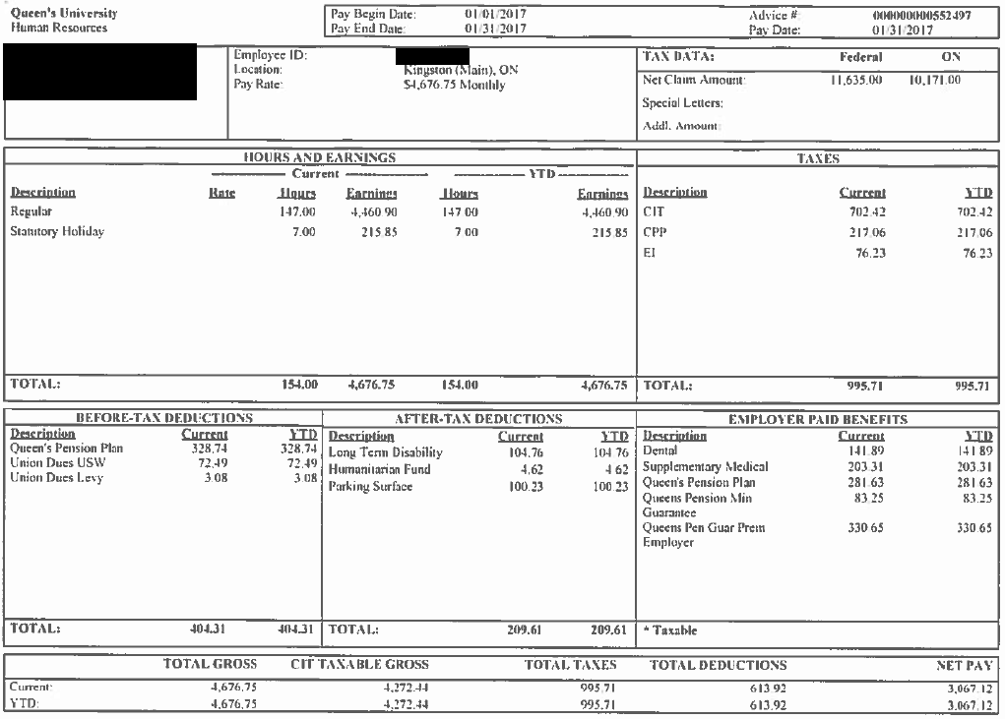
 |  |  |  | link to pay grid: | 1. Enter annual pay from pay grid, % working
 |  |  |  | 2017 | $56,121 | 100%

 |  |  |  | 2. Verify your monthly pay rate from calc. below
 |  |  |  | $4,676.75 | Gross monthly pay rate

 |  |  |  | 3. Enter amt pd for CIT (Canadian Income Tax), CPP, and EI
 | ACROBAT: VIEW AT 130 % |  |  | 4. Verify contribution rates and maximas
 |  |  |  | CIT (Cdn Income Tax) | $702.42 | 15.02% | effective annual rate of taxation
 |  |  |  | CPP (Canada Pension) | $217.06 | 4.64% | for 2017: 4.95% to max. of $2564.10
 |  |  |  | EI (Employment Insce) | $76.23 | 1.63% | 1.88% | to max of $955.04

 |  |  |  | 5. Enter Your Before-Tax deductions and verify %'s
 |  |  |  | QPP portion <= YMPE | $322.58 | 6.90% | 7% up to YMPE: (55,300 * .07)/12 = $322.58
 |  |  |  | QPP portion > YMPE | $6.16 | 0.13% | 9% over YMPE: ((salary - 55,300)*.09)/12
 |  |  |  | QPP calculated | $328.74 | 7.03% | calculated QPP employee contribution
 |  |  |  | QPP total | $328.74 | 7.03% | QPP calculated should = QPP total paid

 |  |  |  | Union Dues USW | $72.49 | 1.55% | 1.55% of pay
 |  |  |  | Union Dues Levy | $3.08 | 0.07% | .02 / hr worked

 |  |  |  | 6. Enter Your After-Tax deductions and verify %'s
 |  |  |  | LTD | $104.76 | 2.24% | 2.24% of pay
 |  |  |  | Humanitarian Fund | $4.62 | 0.10% | .03 / hr worked

 |  |  |  | 7. Enter Employer paid amount for Pension Plan and verify %
 |  |  |  | QPP portion <= YMPE | $276.50 | 5.91% | 6% up to YMPE: (53,600 * .06)/12 = $268.00
 |  |  |  | QPP portion > YMPE | $5.13 | 0.11% | 7.5% over YMPE: ((salary - 53,600)*.075)/12
 |  |  |  | QPP calculated | $281.63 | 6.02% | calculated QPP employer contribution
Queen's Pension Plan contributions, as of January 1, 2014 |  |  |  | QPP total | $281.63 | 6.02%
http://www.queensu.ca/humanresources/totalcomp/pensions.html |  |  |  | Additional Pension | $-
employee contributions |  |  | Queen's contributions | QPP Min. Guarantee | $83.25
7.00% | up to YMPE | 6.00% | up to YMPE | QPP Guar. Prem. | $330.65
9.00% | above YMPE | 7.50% | above YMPE | QPP total paid | $695.53
 |  |  | Additional Pension Contribution
 |  |  | Pension Minimum Guarantee
 |  |  | Pension non-reduction Reserve

Example 3
Understand your Local 2010 Pay Stub - Example: 2017 grid, grade 7, step 10 |  |  |  | fill in yellow boxes, tab for next |  | pink boxes: calculated
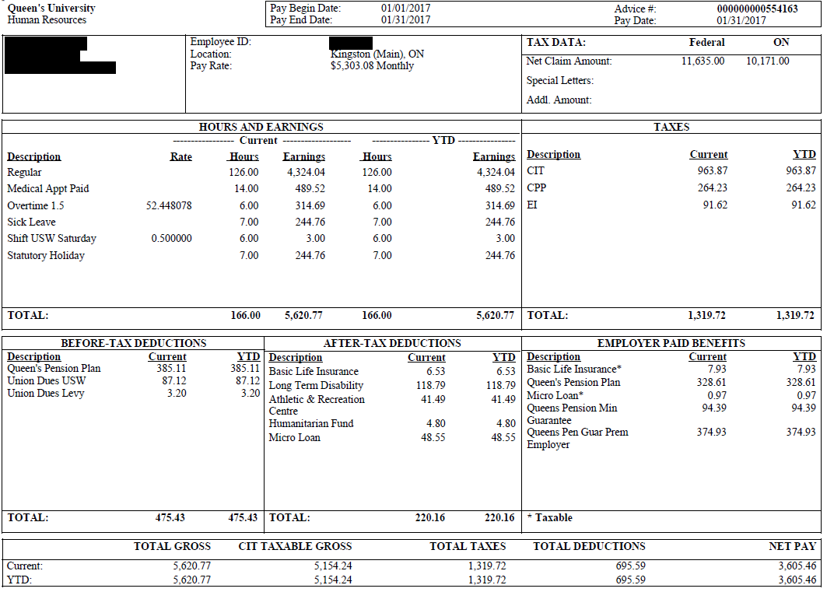
 |  |  |  | link to pay grid: | 1. Enter annual pay from pay grid, % working
 |  |  |  | 2017 | $63,637 | 100%

 |  |  |  | 2. Verify your monthly pay rate from calc. below
 |  |  |  | $5,303.08 | Gross monthly pay rate

 |  |  |  | 3. Enter amt pd for CIT (Canadian Income Tax), CPP, and EI
 |  |  |  | 4. Verify contribution rates and maximas
 |  |  |  | CIT (Cdn Income Tax) | $963.87 | 18.18% | effective annual rate of taxation
 |  |  |  | CPP (Canada Pension) | $264.23 | 4.98% | for 2017: 4.95% to max. of $2564.10
 |  |  |  | EI (Employment Insce) | $91.62 | 1.73% | 1.88% | to max of $955.04

 |  |  |  | 5. Enter Your Before-Tax deductions and verify %'s
 |  |  |  | QPP portion <= YMPE | $322.58 | 6.08% | 7% up to YMPE: (55,300 * .07)/12 = $322.58
 |  |  |  | QPP portion > YMPE | $62.53 | 1.18% | 9% over YMPE: ((salary - 55,300)*.09)/12
 |  |  |  | QPP calculated | $385.11 | 7.26% | calculated QPP employee contribution
 |  |  |  | QPP total | $385.11 | 7.26% | QPP calculated should = QPP total paid

 |  |  |  | Union Dues USW | $87.12 | 1.64% | 1.55% of pay
 |  |  |  | Union Dues Levy | $3.20 | 0.06% | .02 / hr worked

 |  |  |  | 6. Enter Your After-Tax deductions and verify %'s
 |  |  |  | LTD | $118.79 | 2.24% | 2.24% of pay
 |  |  |  | Humanitarian Fund | $4.80 | 0.09% | .03 / hr worked

 |  |  |  | 7. Enter Employer paid amount for Pension Plan and verify %
 |  |  |  | QPP portion <= YMPE | $276.50 | 5.21% | 6% up to YMPE: (53,600 * .06)/12 = $268.00
 |  |  |  | QPP portion > YMPE | $52.11 | 0.98% | 7.5% over YMPE: ((salary - 53,600)*.075)/12
 |  |  |  | QPP calculated | $328.61 | 6.20% | calculated QPP employer contribution
Queen's Pension Plan contributions, as of January 1, 2014 |  |  |  | QPP total | $328.61 | 6.20%
http://www.queensu.ca/humanresources/totalcomp/pensions.html |  |  |  | Additional Pension | $-
employee contributions |  |  | Queen's contributions | QPP Min. Guarantee | $94.39
7.00% | up to YMPE | 6.00% | up to YMPE | QPP Guar. Prem. | $374.93
9.00% | above YMPE | 7.50% | above YMPE | QPP total paid | $797.93
 |  |  | Additional Pension Contribution
 |  |  | Pension Minimum Guarantee
 |  |  | Pension non-reduction Reserve

Example 4
Understand your Local 2010 Pay Stub - Example: 2017 grid, grade 5, step 10, 80% |  |  |  | fill in yellow boxes, tab for next |  | pink boxes: calculated
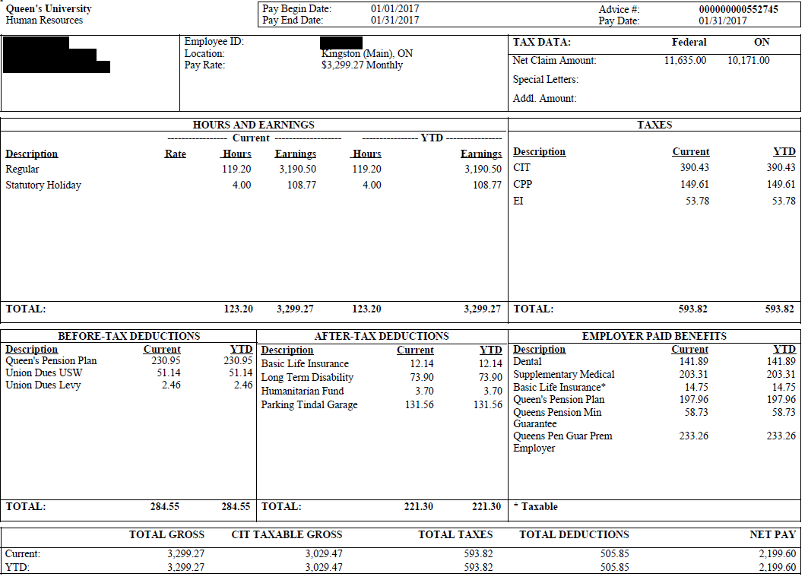
 |  |  |  | link to pay grid: | 1. Enter annual pay from pay grid, % working
 |  |  |  | 2017 | $49,489 | 80%
 |  |  |  |  | $39,591 | actual annual salary
 |  |  |  | 2. Verify your monthly pay rate from calc. below
 |  |  |  | $3,299.26 | Gross monthly pay rate

 |  |  |  | 3. Enter amt pd for CIT (Canadian Income Tax), CPP, and EI
 |  |  |  | 4. Verify contribution rates and maximas
 |  |  |  | CIT (Cdn Income Tax) | $390.43 | 9.47% | effective annual rate of taxation
 |  |  |  | CPP (Canada Pension) | $149.61 | 4.53% | for 2017: 4.95% to max. of $2564.10
 |  |  |  | EI (Employment Insce) | $53.78 | 1.63% | 1.88% | to max of $955.04

 |  |  |  | 5. Enter Your Before-Tax deductions and verify %'s
 |  |  |  | QPP portion <= YMPE | $230.95 | 7.00% | 7% up to YMPE: (55,300 * .07)/12 = $322.58
 |  |  |  | QPP portion > YMPE | $- | 0.00% | 9% over YMPE: ((salary - 55,300)*.09)/12
 |  |  |  | QPP calculated | $230.95 | 7.00% | calculated QPP employee contribution
 |  |  |  | QPP total paid | $230.95 | 7.00% | QPP calculated should = QPP total paid

 |  |  |  | Union Dues USW | $51.14 | 1.55% | 1.55% of pay
 |  |  |  | Union Dues Levy | $2.46 | 0.07% | .02 / hr worked

 |  |  |  | 6. Enter Your After-Tax deductions and verify %'s
 |  |  |  | LTD | $73.90 | 2.24% | 2.24% of pay
 |  |  |  | Humanitarian Fund | $3.70 | 0.11% | .03 / hr worked

 |  |  |  | 7. Enter Employer paid amount for Pension Plan and verify %
 |  |  |  | QPP portion <= YMPE | $197.96 | 6.00% | 6% up to YMPE: (53,600 * .06)/12 = $268.00
 |  |  |  | QPP portion > YMPE | $- | 0.00% | 7.5% over YMPE: ((salary - 53,600)*.075)/12
 |  |  |  | QPP calculated | $197.96 | 6.00% | calculated QPP employer contribution
Queen's Pension Plan contributions, as of January 1, 2014 |  |  |  | QPP total | $197.96 | 6.00%
http://www.queensu.ca/humanresources/totalcomp/pensions.html |  |  |  | Additional Pension | $-
employee contributions |  |  | Queen's contributions | QPP Min. Guarantee | $58.73
7.00% | up to YMPE | 6.00% | up to YMPE | QPP Guar. Prem. | $233.26
9.00% | above YMPE | 7.50% | above YMPE | QPP total paid | $489.95
 |  |  | Additional Pension Contribution
 |  |  | Pension Minimum Guarantee
 |  |  | Pension non-reduction Reserve

